Sheet1
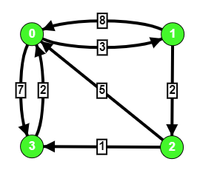
Route
From | To |  | qgis
0 | 1 | 01 | 3
0 | 3 | 03 | 7
1 | 0 | 10 | 8
1 | 2 | 12 | 2
2 | 0 | 20 | 5
2 | 3 | 23 | 1
3 | 0 | 30 | 2
0 | 0 | 00 | 0
1 | 1 | 11 | 0
2 | 2 | 22 | 0
3 | 3 | 33 | 0

